Sheet1
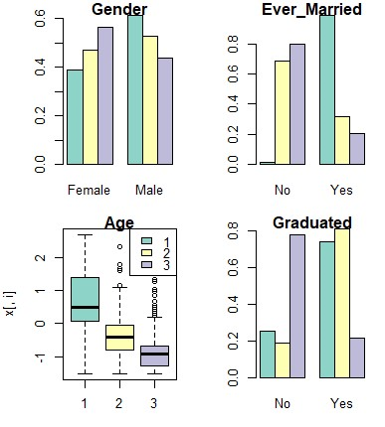
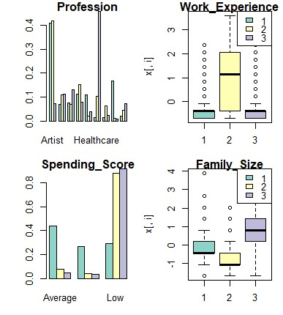
 | Gender | Ever_Married | Age | Graduated | Profession | Work_Experience | Spending_Score | Family_Size
 | Male | Yes | 0.71607872702 | Yes | Artist | -0.38594874124 | Average | -0.087792174805
 | Male | No | -0.35215005182 | Yes | Artist | 0.88759387045 | Low | -0.6474364958
 | Female | No | -0.88549841312 | No | Healthcare | -0.19997979882 | Low | 0.77883322961

The characteristics of each cluster
Cluster | Gender | Ever_Married | Age | Graduated | Profession | Work_Experience | Spending_Score | Family_Size |  | Age | Work exp | Family size
1 | Male | Yes | 56 | Yes | Artist | 1 | Average | 3 | Mean | 43.65 | 2.291 | 2.704
2 | Male | No | 38 | Yes | Artist | 5 | Low | 2 | Std | 16.96701 | 3.258607 | 1.622809
3 | Female | No | 29 | No | Healthcare | 2 | Low | 4

